Sheet1
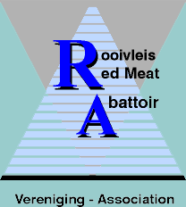 |  |  |  |  |  | 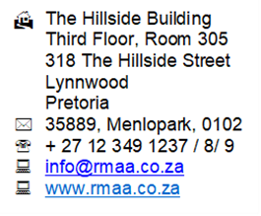
QUOTATION DATE: 23/02/2026 |  |  | Training and Support Services Contract 2026
Name of Client: |  |  | Doornplaat Abattoir
RMAA member: |  |  | Yes
RC: |  |  | 03/12R
Throughput: |  |  | HT 400
VAT Number |  |  | 4920255173
Client Contact: |  |  | Grace Maluleke
Telephone: |  |  | 012 940 2571
Cell: |  |  | 082 426 6435
E-mail: |  |  | grace@doornplaat.com
Postal Address: |  |  | P O Box 20454, Rustenburg, 0305
Street Address: |  |  | 1 Bonsmara Street Brits
RMAA Contact: |  |  | Nolwazi Legwabi
Telephone: |  |  | 012 349 1237
Cell: |  |  | 084 047 0001
E-mail: |  |  | training@rmaa.co.za
Notes: 15% VAT EXCLUDED in all cases/ CERTIFIED ID COPIES(COLOUR) NEEDED FOR ALL TRAINING
Date |  | Skills Programme | Slaughter Technique | Service Cost | Distance (km) @ R 5.5 pkm | Accomm @ R 800 pppn | TOTAL R
1 |  |  |  |  |  |  | R0.00
2 |  |  |  |  |  |  | R0.00
3 |  |  |  |  |  |  | R0.00

4 | Sampling |  |  | R2,900.00 |  | km |  | R2,900.00
5 | Audit verification |  |  | R3,328.50 |  | km |  | R3,328.50
Sub - total |  |  |  |  |  |  |  | R6,228.50
Conducting audit verification & sampling enables us to provide you with a discount. |  | Discounted | Skills Program | R0.00 | 0 | 0km |  | R0.00
 |  | Discounted | Sampling | R2,900.00 | 0 | 0km |  | R2,900.00
 |  | Discounted | Verification Audit | R3,328.50 | 0 | 0km |  | R3,328.50
 |  | Discounted | Membership | R0.00 | 0 | 0km |  | R0.00
Discount provided |  |  |  |  |  |  |  | R6,228.50
TOTAL Excl 15% VAT |  |  |  |  |  |  |  | R0.00
For acceptance of the quote, please sign below and email back the signed copy

 | Client |  |  |  |  |  | Date

General Manager : Dr GC Neethling Red Meat Abattoir Association Abattoir Skills Training

